Indices

 | Iraq Stock Exchange
 | Bulletin No (70)
 | ISX Trading Indices of Thursday 23/4/2026

 | Traded Volume and OTC |  | 713,516,540 |  | Traded Value and OTC |  | 718,217,994 |  | Traders | 671

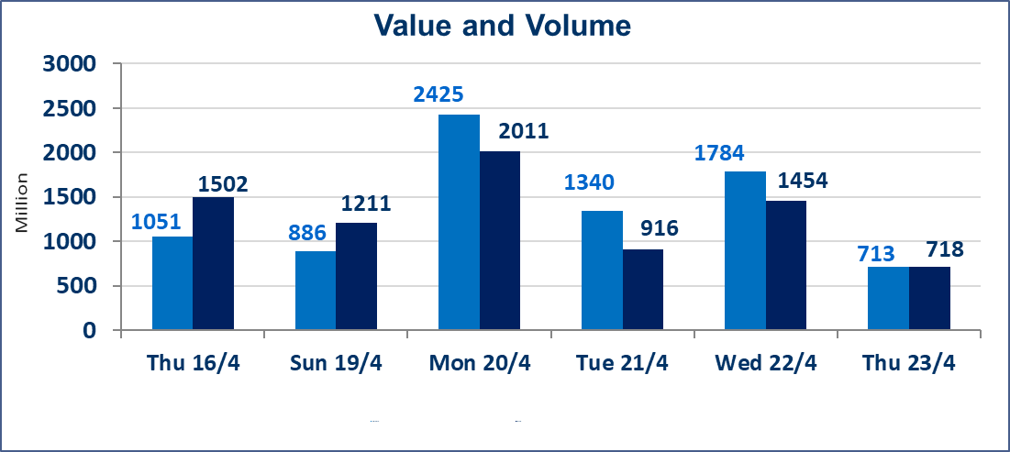
 | ISX Index 60 |  |  | 986.86 | ISX Index 15 |  |  | 1289.95
 | Previous ISX Index60 |  |  | 988.30 | Previous ISX Index15 |  |  | 1289.21
 | Change % |  |  | -0.15 | Change % |  |  | 0.06
 | Change |  |  | -1.44 | Change |  |  | 0.74

 | Listed Companies | 104 | OTC | 14 | Non Traded listed | 46 | OTC | 12
 | Traded Listed Companies | 49 | OTC | 2 | Higher Companies |  |  | 13
 | GAM Companies |  |  | 1 | Lower Companies |  |  | 13
 | Suspended Companies |  |  | 8
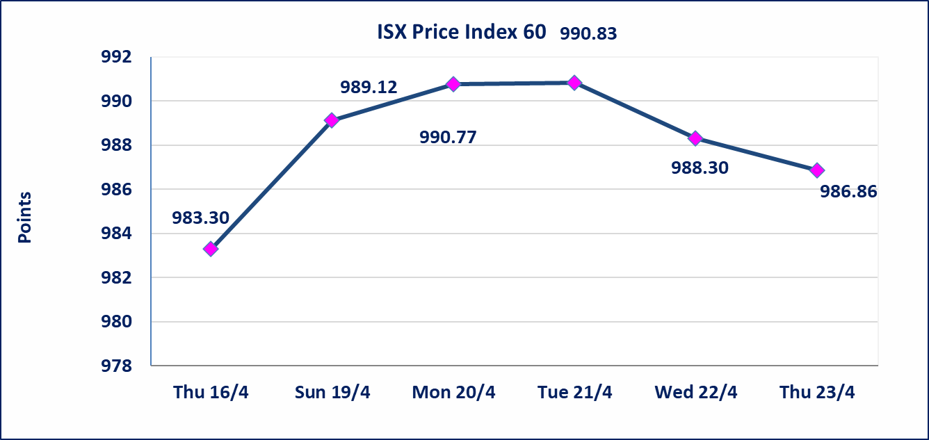
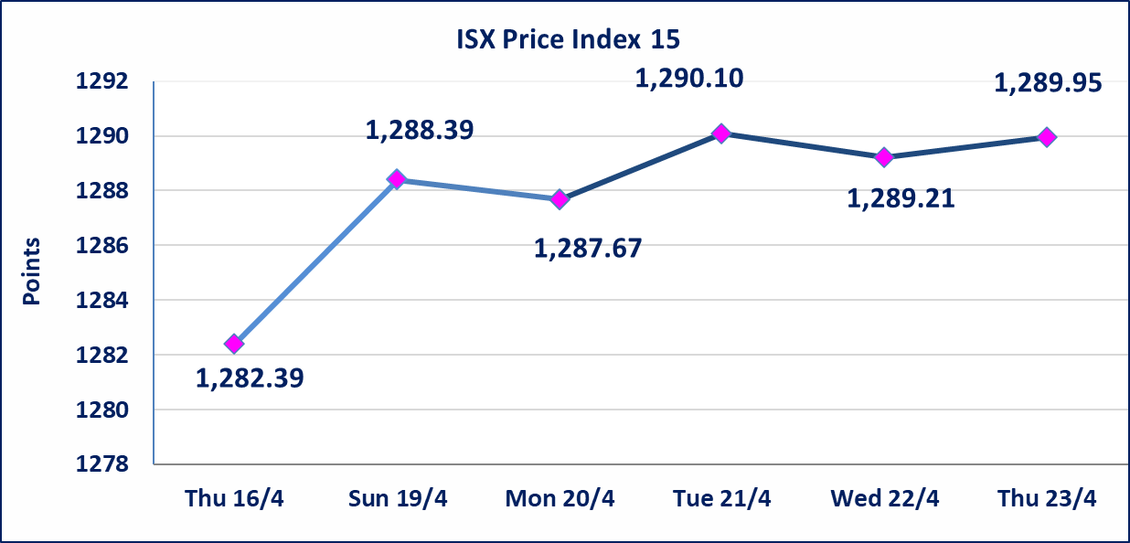

Al-Alwiya P.O . 3607 Mobile: 07711211522 - 07270094594 - 07834000034 E-mail: info-isx@isx-iq.net Web site:www.isx-iq.net

Top 5
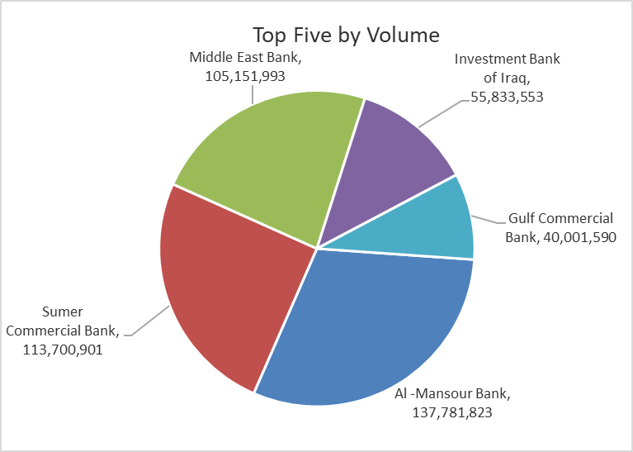
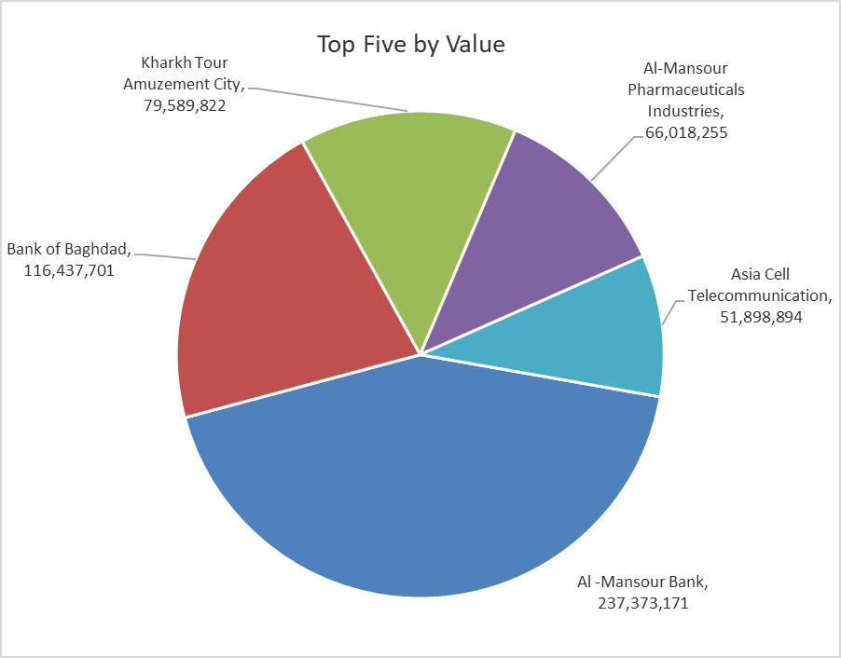

ISX top ganing and losing companies
Thursday 23/4/2026
 | Gainers |  |  |  | Losers
 | Company Name | Closing Price | Change (%) | Traded Volume | Company Name | Closing Price | Change (%) | Traded Volume
 | Sumer Commercial Bank | 0.190 | 5.56 | 113,700,901 | Ashour Hotel | 30.550 | -4.98 | 31,085
 | Iraqi Engineering Works | 6.050 | 4.85 | 10,000 | Gulf Commercial Bank | 0.360 | -2.70 | 40,001,590
 | AL-Badia for General Trans | 1.250 | 4.17 | 303,603 | Al-Khatam Telecom | 3.600 | -2.70 | 388,417
 | Babil Animal & Vegetable Production | 10.500 | 3.96 | 876,299 | Iraqi Islamic Bank | 1.050 | -1.87 | 22,020,977
 | General Transportation | 1.760 | 3.53 | 434,961 | Tourist Village of Mosul dam | 14.050 | -1.40 | 20,679
 | The most active companies in term of traded volume and value

 | Traded Volume |  |  |  | Traded Value
 | Company Name | Closing Price | Change (%) | Traded Volume | Company Name | Closing Price | Change (%) | Traded Value
 | Al -Mansour Bank | 1.720 | -1.15 | 137,781,823 | Al -Mansour Bank | 1.720 | -1.15 | 237,373,171
 | Sumer Commercial Bank | 0.190 | 5.56 | 113,700,901 | Bank of Baghdad | 3.370 | 1.51 | 116,437,701
 | Middle East Bank | 0.100 | 0.00 | 105,151,993 | Kharkh Tour Amuzement City | 4.500 | 0.00 | 79,589,822
 | Investment Bank of Iraq | 0.210 | 0.00 | 55,833,553 | Al-Mansour Pharmaceuticals Industries | 2.280 | 1.33 | 66,018,255
 | Gulf Commercial Bank | 0.360 | -2.70 | 40,001,590 | Asia Cell Telecommunication | 16.500 | 0.00 | 51,898,894

Non Iraqi

Iraq Stock Exchange
Non Iraqis' Bulletin Thursday April 23 2026
Regular Market

Non Iraqi Trading of Regular Market (Sell)
Company Names | Code | No.of trades | Traded Shares | Trading Volume
Banks Sector
Bank Of Baghdad | BBOB | 2 | 1,000,000 | 3,365,000
Total Bank sector |  | 2 | 1,000,000 | 3,365,000
Grand Total |  | 2 | 1,000,000 | 3,365,000

Not Trading Bonds

Iraq Stock Exchange
Thursday 23/4/2026
Not Trading Bonds Bulletin
Bond type | Publish type | Code | last trading price | immortilize date
Banaa Bonds /Million ID | Second | CB20 | 964,981 | 19/12/2025
Eamar Bonds /Million ID | First | CB30 | 1,001,095 | ــــــــــــــــ
Eamar Bonds /Million ID | Second | CB40 | ــــــــــــــــ | ــــــــــــــــ
Eamar Bonds /500 Thousand ID | Third | CB45 | ــــــــــــــــ | ــــــــــــــــ
Eamar Bonds /Million ID | Third | CB50 | ــــــــــــــــ | ــــــــــــــــ
Injaz Bonds /500 Thousand ID | First | CB55 | ــــــــــــــــ | ــــــــــــــــ
Injaz Bonds /Million ID | First | CB60 | 951,110 | ــــــــــــــــ
Injaz Bonds /500 Thousand ID | Second | CB65 | 507,301 | ــــــــــــــــ
Injaz Bonds /Million ID | Second | CB70 | 965,050 | ــــــــــــــــ
Injaz Bonds /500 Thousand ID | Third | CB75 | ــــــــــــــــ | ــــــــــــــــ
Injaz Bonds /Million ID | Third | CB80 | 978,182 | ــــــــــــــــ
National Bonds/Million ID | First | CB90 | ــــــــــــــــ | ــــــــــــــــ
National Bonds/500 Thousand ID | Second | CB95 | ــــــــــــــــ | ــــــــــــــــ
National Bonds/Million ID | Second | CB100 | ــــــــــــــــ | ــــــــــــــــ

